PRD
Product Requirement Document (PRD) - Version: 1.0

Template Name |  | Task Management App
Goals & Objective |  | As a company tracking task is very important. The goal of this website is to provide a secure and efficient platform for tracking tasks that are asssigned by the project manager ot admin. From this website user/admin/manager/collaborator can : - Can assign task to the manager and track it's progress - Can assign tasks and it's subtasks to the collaborator/employee and track the progresses - Can see progress and the tasks present conditions - Manager or Admin can make and start meeting and others can join - Can get time to time notifications and see next tasks that are gooing to be done by them
Client Information
Product Type |  | Web Application
Domain |  | Web2
Access Layers |  | Admin, Manager, Collaborator
Design Required |  | Yes

Phase | Item No | Specification [Role] | Screen Definition | User Story | Acceptance Criteria | UI Screen / Wireframe | Tags
Feature: 2 |  | Dashboard
phase 1 | 4 | Menu [Employee] | <Unordered list> Dashboard Calendar Tasks Progress Reports Edit Profile Change Profile Photo Change Password Settings | - Dashboard(link) - Calendar(link) - Tasks (link) - Progress (link) - Reports(link) - Edit Profile(link) - Change profile photo(photo) - Change password(link) - Settings(link) | - clicking dashboard will take user to dashboard page - go to send Calendar page and show Calender on click - go to Tasks page on Click - go to Progress page on click - go to Reports page on click - go to edit profile page on Click - go to change profile page on Click - go to change password page on Click - go to Settings page on Click | 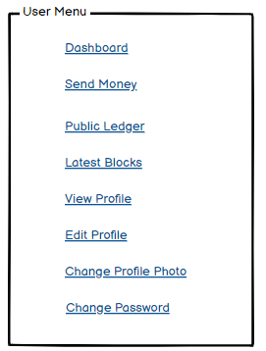 | Menu

